Using the Report
 | A Pocket Guide to Choosing a College: NSSE 2013 Answers from Students

 | Using the Report


 | To focus public awareness on what constitutes quality in the college experience, NSSE developed A Pocket Guide to Choosing a College. This helpful brochure provides prospective students and their families key questions to ask during their campus visits, allowing them to actively consider student engagement during the college choice process.

 | Student responses to selected questions from the NSSE pocket guide are presented in a new report entitled A Pocket Guide to Choosing a College: NSSE 2013 Answers from Students, part of your NSSE Institutional Report 2013. This report replaces The Student Experience in Brief included in institutional reports through 2012.

 | Who Can Use A Pocket Guide to Choosing a College: NSSE
 | 2013 Answers from Students?
 | This report is a summary of student engagement on your campus. It may be of special interest to admissions professionals, particularly those providing the NSSE pocket guide to visiting students. The results can also be used as a resource for orientation staff, advisors, faculty, and others who work regularly with first-year students.

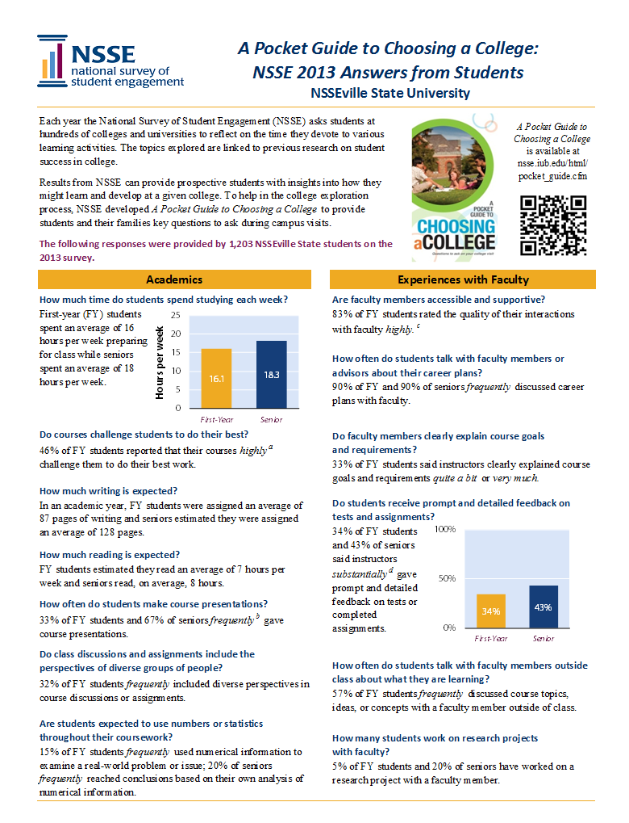
How Can an Institution Customize and Distribute Results?
A Pocket Guide to Choosing a College: NSSE 2013 Answers from Students is designed for sharing NSSE results. The report is delivered in both PDF and Excel formats so that institutions can easily insert logos, campus photos, or additional information. Institutions are encouraged to post copies of the report and results from their NSSE Institutional Report 2013in relevant areas of their campus Web site.

How Can I Get a Copy of My Institution's A Pocket Guide
to Choosing a College: NSSE 2013 Answers from Students?
Each participating institution designates a staff member to serve as the primary liaison to receive NSSE correspondence and reports. Known as the Campus Project Manager, the primary liaison may assist you in obtaining a copy. Please contact NSSE if you need help identifying your Campus Project Manager.

How Can I Get Copies of the NSSE Pocket Guide?
College and university admissions officers may request up to 300 free NSSE pocket guides per year. Additional quantities are available for a small fee. An updated Spanish version of the NSSE pocket guide, Una Guia de Bolsillo Para Escoger una Universidad: Preguntas a Hacer en Tus Visitas Universitarias,will be available in fall 2013.

on the NSSE Web site for institutions to include in their recruitment, college fair, and campus tour materials. nsse.iub.edu/html/pocket_guide.cfm
The QR code at left can be used to access a mobile version of the NSSE pocket guide. It is available on the NSSE Web site for institutions to include in their recruitment, college fair, and campus tour materials. nsse.iub.edu/html/pocket_guide.cfm

If you have questions about these resources, contact the NSSE Institute at nsse@indiana.edu or toll-free at 866-435-6773.

PG1
 | A Pocket Guide to Choosing a College: NSSE 2013 Answers from Students

 | Shippensburg University of Pennsylvania

Each year the National Survey of Student Engagement (NSSE) asks students at hundreds of colleges and universities to reflect on the time they devote to various learning activities. The topics explored are linked to previous research on student success in college. |  |  | A Pocket Guide to Choosing a College is available at nsse.iub.edu/html/ pocket_guide.cfm

Results from NSSE can provide prospective students with insights into how they might learn and develop at a given college. To help in the college exploration process, NSSE developed A Pocket Guide to Choosing a College to provide students and their families key questions to ask during campus visits.

The following responses were provided by 812 SHIP students on the 2013 survey.

Academics |  | Experiences with Faculty

How much time do students spend studying each week? |  | Are faculty members accessible and supportive?c |  | Study time
First-year (FY) students spent an average of 14 hours per week preparing for class while seniors spent an average of 14 hours per week. |  | 51% of FY students gave the quality of their interactions with faculty a 'high' rating. |  |  | First-year | Senior
 |  |  |  | hours per week | 14 | 14
 |  | How often do students talk with faculty members or advisors about their career plans?b

 |  | 23% of FY and 52% of seniors 'frequently' discussed career plans with faculty.

 |  | Do faculty members clearly explain course goals and requirements?
Do courses challenge students to do their best?a
55% of FY students reported that their courses 'highly' challenged them to do their best work. |  | 79% of FY students said instructors clearly explained course goals and requirements 'quite a bit' or 'very much.'

How much writing is expected? |  | Do students receive prompt and detailed feedback on tests and assignments?d
In an academic year, FY students were assigned an average of 48 pages of writing and seniors estimated they were assigned an average of 71 pages.
 |  | 62% of FY students and 71% of seniors said instructors 'substantially' gave prompt and detailed feedback on tests or completed assignments.

How much reading is expected?
FY students estimated they read an average of 7 hours per week and seniors read, on average, 7 hours.
 |  |  |  | Extent of prompt and detailed feedback
How often do students make course presentations?b |  |  |  |  | First-year | Senior
42% of FY students and 71% of seniors 'frequently' gave course presentations. |  |  |  | substantially | 62% | 71%

Do class discussions and assignments include the perspectives of diverse groups of people?b |  | How often do students talk with faculty members outside class about what they are learning?b

48% of FY students 'frequently' included diverse perspectives in course discussions or assignments. |  | 19% of FY students 'frequently' discussed course topics, ideas, or concepts with a faculty member outside of class.

Are students expected to use numbers or statistics throughout their coursework?b |  | How many students work on research projects with faculty?

30% of FY students 'frequently' used numerical information to examine a real-world problem or issue; 55% of seniors 'frequently' reached conclusions based on their own analysis of numerical information. |  | 3% of FY students and 32% of seniors worked on a research project with a faculty member.

PG2
Learning with Peers | Rich Educational Experiences

How often do students work together on class projects and assignments?b | What types of honors courses, learning communities, and other distinctive programs are offered?
 |  |  |  | Class projects
55% of FY students and 75% of seniors 'frequently' worked with their peers on course projects and assignments. | During their first year, 11% of students participated in a learning community. By spring of their senior year, 60% of students had done or were in progress doing a culminating senior experience. |  |  |  | First-year | Senior
 |  |  |  | frequently | 55% | 75%

 | How many students study in other countries?
 | By their senior year, 10% of students had studied abroad.
Do students help each other understand difficult material?b | How many students get practical, real-world experience through internships or off-campus field experiences?

61% of seniors 'frequently' explained course material to one or more students. | By spring of their senior year, 54% of students had participated in some form of internship, co-op, field experience, student teaching, or clinical placement.

How often do students work together to prepare for exams?b
 | How many courses include community-based service-learning projects?e |  |  | Service-learning
46% of FY students 'frequently' prepared for exams by discussing or working through course material with other students. |  |  |  |  | First-year | Senior
 | 58% of FY students and 69% of seniors said 'at least some' of their courses included a community-based service-learning project. |  |  | At least some | 58% | 69%
 |  |  |  | None | 42% | 31%
How often do students interact with others who have different viewpoints or who come from different economic backgrounds?b

66% of FY students 'frequently' had discussions with people with different political views; 68% of FY students 'frequently' had discussions with people from a different economic background.

Campus Environments
 | Notes
 | a. 'Highly' is a 6 or 7 on a seven-point scale where 1 is 'Not at all' and 7 is 'Very much.' b. 'Frequently' is 'Often' or 'Very often.' c. A 'High' rating is a 6 or 7 on a seven-point scale where 1 is 'Poor' and 7 is 'Excellent.' d. 'Substantially' is 'Quite a bit' or 'Very much.' e. 'At least some' is defined by combining responses of 'Some,' 'Most,' and 'All.'
Do students use learning support services (tutors, writing center)?d

81% of FY students said the institution 'substantially' emphasized the use of learning support services.

How satisfied are students with academic advising?c
45% of FY students and 54% of seniors gave the quality of their interactions with academic advisors a 'high' rating.

How well do students get along with each other?c
56% of FY students gave the quality of their interactions with their peers a 'high' rating.

How do students evaluate their entire educational experience at this institution? |  | Indiana University Center for Postsecondary Research 1900 East Tenth Street, Suite 419 Bloomington, IN 47406-7512 Phone: 812-856-5824 Fax: 812-856-5150 Email: nsse@indiana.edu Web: nsse.iub.edu

86% of FY and 89% of seniors rated their entire educational experience at this institution as 'excellent' or 'good.'

 |  |  | IPEDS: 216010

